Example 1
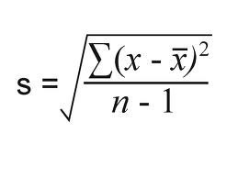
Data | Data - Mean | Data - Mean | Sample SD | Population SD | Sample SD | Population SD
Age | C- | (C-)2 | S(C-)2/N-1 | S(C-)2/N | SQRT(S(C-)2/N-1) | SQRT(S(C-)2/N)
22 | -6.47 | 41.82 | 22.27 | 20.78 | 4.72 | 4.56
23 | -5.47 | 29.88
25 | -3.47 | 12.02
27 | -1.47 | 2.15
28 | -0.47 | 0.22 |  | Basic rules
35 | 6.53 | 42.68 |  | 1. If you have data of whole population | STDEV.P
32 | 3.53 | 12.48 |  | 2. If you have sufficiently large sample data and want to extrapolate the SD to whole population | STDEV.P
28 | -0.47 | 0.22
30 | 1.53 | 2.35 |  | 3. If you have small sample data or do not want to extrapolate even for large data | STDEV.S
40 | 11.53 | 133.02
24 | -4.47 | 19.95
26 | -2.47 | 6.08
27 | -1.47 | 2.15 |  | Standard Deviation (Sample) | 4.72 | =STDEV.S(A:A)
29 | 0.53 | 0.28 |  | Standard Deviation (Population) | 4.56 | =STDEV.P(A:A)
31 | 2.53 | 6.42

 |  |  |  | Bessel's correction for SD of sample | Standard Deviation (Population)

